Sheet1
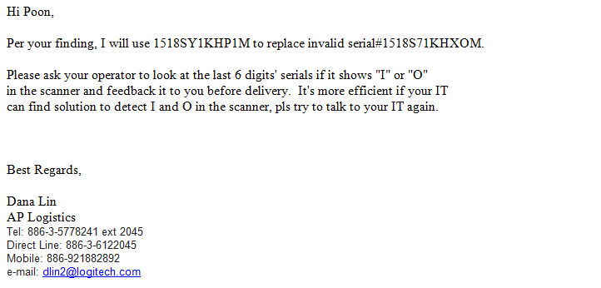

To validate the last 6 digits' serials do not consist of "I" or "O"

